Review Checklist
Review Checklist: This is to always be filled out except when justified not needed for sub-minor maintenance changes
Number | Checklist | Developer | Date | Reviewer | Date | Comments | Further information
1 | Development and Review Checklist
1.1 | Have you filled in the cover sheet of this spread sheet
1.2 | Has the module.dox version number been updated to the latest version?
1.3 | Have you Ensured that cover sheet dates and versions of this form match the module date and versions of the module.dox file?
1.4 | Do the files module.c/.h, moduleTest.c/.h, and moduleConfig.c/.h include: - The group they are in - The file they are - A reference to the module.dox file - The copy right banner with the correct year (NOTE - Copy right should not change for maintenance) |  |  |  |  |  | 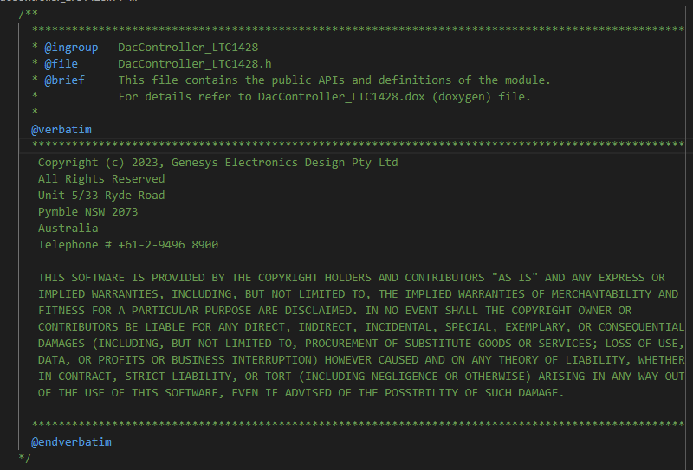
1.5 | Does the module.dox file contain the version history, which matches the @version and @date?
1.6 | Are the "Unit Acceptance Criteria" found in the "Integration Verification" tab appropriate for this module? |  |  |  |  |  | Sanity check that no change is required from the default values
1.7 | Are all module requirements defined so that they: a) implement SYSTEM requirements including those relating to RISK CONTROL; b) do not contradict one another; c) are expressed in terms that avoid ambiguity; d) are stated in terms that permit establishment of test criteria and performance of tests; e) can be uniquely identified; [IEC 62304 5.5.3] |  |  |  |  |  | This is taken from [IEC 62304 5.5.3]. Clause f is excluded, as it is not applicable for libraryised modules f) are traceable to SYSTEM requirements or other source. Comments on specific requirements can be made using the excel comment feature if required.
1.8 | All Images (diagrams, documentation and evidence), and videos are as low quality as possible without impact legibility |  |  |  |  |  | File size should be reduced to minimise time for SVN checkout
1.9 | Confirm that all Developer /Reviewer Comments in the Module Requirements and Tests tab are actioned, reviewed and deleted
2 | Best practice and Misra-C
2.1 | According to the .dox file, has the module been Misra-C Checked?
2.2 | For all Misra-C rules turned off, are there sufficient comments to address violations? |  |  |  |  |  | 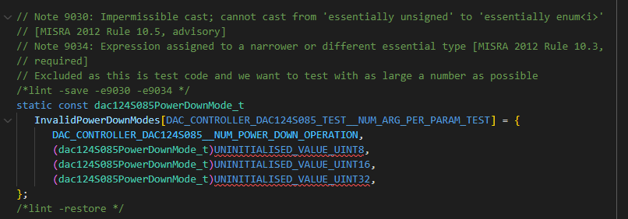 E.g.
2.3 | Has the Misra-C Checker Output been submitted along with this review? |  |  |  |  |  | NOTE - Misra-C Checker Should be run on the entire project before submitting the module. When debugging errors it is acceptable to only run misra on the specified module The Misra Installation Guide can be found in K:\Genesys\Design Files\GD-014 Software Suites\GD-014-0022 Genesys Misra C Checker\Software Release Report Information on errors can be found: K:\Genesys\Design Files\GD-014 Software Suites\GD-014-0022 Genesys Misra C Checker\Design Notes
2.4 | Do all your header files have unique include guards? |  |  |  |  |  | eg.: #ifndef INCLUDED_DAC_CONTROLLER_DAC124S085_TEST_H_FILE #define INCLUDED_DAC_CONTROLLER_DAC124S085_TEST_H_FILE
2.5 | Does your module's compile switch, compile out the source code, including the test code.
2.6 | Has the Modules .su file been submitted along with this review? Does it show that the stack usage of each function does not exceed 256 Bytes unless otherwise justified? |  |  |  |  |  | The intent of this test is to provide a quick sanity check on whether a single function uses excessive stack (e.g. due to locally declared large arrays). It is not intended to verify total stack useage, at that should be done at a project level Stack usage files can be generated using "-fstack-usage". This should be enabled by default for the nRF template project
2.7 | Are all variables declared within the minimum scope possible? Are Global variables only used when necessary?
2.8 | Have you reviewed the code for potential performance optimizations, such as eliminating unnecessary loops, unnecessary memsets, or reducing memory usage? |  |  |  |  |  | For example, several modules call memset on an array regardless of whether the array is used
2.9 | If new optional configuration macros are added, then default values are included in the .c or .h file if required |  |  |  |  |  | This is done to maintain backwards compatibility. For example, if a new macro is added to the config.h, the .c file may include the code: #if !defined(MODULE_CONFIG__NEW_MACRO) #warning MODULE_CONFIG__NEW_MACRO is not defined so default value is used! #define MODULE_CONFIG__NEW_MACRO 10U // typical value is 10 #endif
2.10 | If a large number of arguments are passed to a function (~more than 3), then the arguments should be combined into a struct and passed by reference as a constant pointer |  |  |  |  |  | Functions should have the minimum number of arguments to maximise legibility. When many parameters are used with a function it is reccomended that functions use a struct to improve legibitility.It is best to pass the struct as a const pointer to reduce stack useage.
2.11 | Whenever an Array is passed ot a function, the length of the array should be included as an argument of the function. If the number of arguments becomes excessive, then a struct should be used. |  |  |  |  |  | Functions should have the minimum number of arguments to maximise legibility. When many parameters are used with a function it is reccomended that functions use a struct to improve legibitility
3 | Style
3.1 | Do variables, constants, functions, etc follow naming guidelines? |  |  |  |  |  | Refer to GD-0008-GUIDE1 Genesys Software Development Guidelines Q:\GD-0008 Genesys Software Design Process\GD-0008-GUIDE1 Genesys Software Development Guidelines.pdf
3.2 | Have you checked your code for spelling mistakes |  |  |  |  |  | An easy way to check the code for spelling mistakes is to use VS code extensions (e.g. Code Spell Checker) while writing the code. To check spelling across all modules, open up all files to be checked in VS code, and press ctrl j. This will open up a window showing any unkown spelling of words of open files:
3.3 | Have you checked for tabs and trailing white space? |  |  |  |  |  | This can be fixed by running the auto formatter over the code For details on autoformatter settings and use see GD-0008-GUIDE1 Genesys Software Development Guidelines (Q:\GD-0008 Genesys Software Design Process\GD-0008-GUIDE1 Genesys Software Development Guidelines.pdf)
3.4 | Does the module keep within the 100 character per line limit (discretion can be used on .h files to enhance legibility)
4 | Doxygen
4.1 | When doxygen is run over the entire project (not just this module), does the DoxygenWarnings.txt show that there are no Doxygen errors specifically related to this module? |  |  |  |  |  | The process to achieve this is: 1. Install and run doxygen using the instructions found in K:\Genesys\Design Files\GD-014 Software Suites\GD-014-0029 Doxygen\Software Release Report 2. Run the RunCopyHtml.bat, from the Design/DoxyOutputs folder of the specified module. 3. Manually check both the DoxygenWarnings.txt and all the html files which should now be in the Design/DoxyOutputs folder 4. Add and commit all of the files which are now in the Design/DoxyOutputs folder.
4.2 | The doxygen html files are included in the design folder, and show that there are no obvious errors in the doxygen documentation.
4.3 | All public functions are documented in a doxygen compliant manner |  |  |  |  |  | For details on doxygen documentation see GD-0008-GUIDE1 Genesys Software Development Guidelines (Q:\GD-0008 Genesys Software Design Process\GD-0008-GUIDE1 Genesys Software Development Guidelines.pdf)
4.4 | All public structs and their members are documented in a doxygen compliant manner.
4.5 | All externs of public variables and constants are documented in a doxygen compliant manner.
4.6 | All constants (#define) are documented in a doxygen compliant manner (either as a group or on a per item basis)
4.7 | All #define errors are included as a group and defined in a doxygen compliant way
4.8 | Non-trivial private functions are either self explanatory or are effectively documented. Doxygen style is reccomended but not enforced.
4.9 | In general test code and private functions do not need doxygen documentation, however commenting should be included when required
5 | Functionality
5.1 | All functions that can have errors, report the error to the standard Error module
5.2 | Do all functions that can have errors return the standard genoError_t genesys Error structure when it makes sense to do so? |  |  |  |  |  | discretion is allowed - e.g. an IsIdle function can return GD_TRUE/GD_FALSE rather than the error. Note, some existing modules return GD_TRUE if successful, or GD_FALSE if unsuccessful.
5.3 | Are all error levels customisable with a #define in the config file? |  |  |  |  |  | E.g.
5.4 | Where appropriate, Error__ReportWithAuxInfo has been used instead of Error__Report
5.5 | Is sanity checking done on parameters
5.6 | If there are processes that are required to occur periodically for correct operation of the module, does the module enroll to Supervisor
5.7 | Is code understandable by reviewer? (Adequately commented)
6 | Test Code
6.1 | Does the test file adequately cover all Functional requirements of the module?
6.2 | Does the module work and does test code pass with different combinations of #define combinations? If not, does the test code provide proper documentation about the required #defines that are needed? |  |  |  |  |  | The developer needs to confirm that they have run the module in the aforementioned optimisation levels, however the results provided only need to be for a single optimisation level In general, for maintenance and for in situ verification the test code only needs to be run once, with the projects default settings
6.3 | Does the module work and Test code passes with optimisation set to -O0 (level 0)
6.4 | Does the module work and Test code passes with optimisation set to -O2 (Optimise more/level 2 balanced)
6.5 | For any tests that require user input, ensure that the tests are appropriately compile switched, and the else case returns the appropriate values (see further information for details) |  |  |  |  |  | 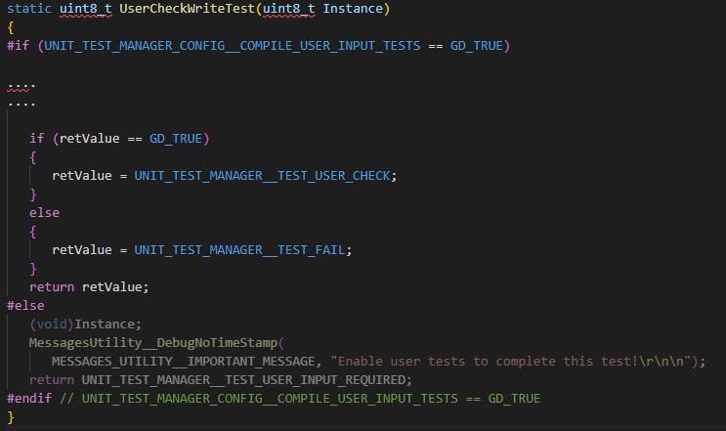 Code should be defined in the form:
6.6 | All tests marked as UNIT_TEST_MANAGER__TEST_USER_CHECK have been tested by the user and evidence has been provided (screenshots / comments "<<< JS User Check Pass" in test results)
6.7 | All tests marked as UNIT_TEST_MANAGER__TEST_NOT_TESTABLE are legitimately not testable
7 | Files
7.1 | Ensure that the reviewer has signed off the .dox file before release
Module Revision Only (Do not fill out for a new module)
7.2 | If this is a revision, has the module version been incremented according to whether it is a major, minor, subminor change?
7.3 | If this is a revision, does the summary of changes in the .dox file include a link to the relevant jira tickets?
New Module Only (Do not delete For Maintenance)
7.4 | If this is a new module, is the version 1.0.0?
For PIOS Drivers Only
7.5 | Is there a docklight script for the PIOS test harness
7.6 | If the PIOS Driver needs to make a change to PIOS.h, have you created a branch of the GAM Includes folder into the review branch?
For Generic Sensor, sensors
7.7 | Has an example GenericSensorControllerConfig.c and GenericSensorControllerConfig.h been included in the \AppTemplate\AppModuleConfig\MySensor module?

